OV Current Assets
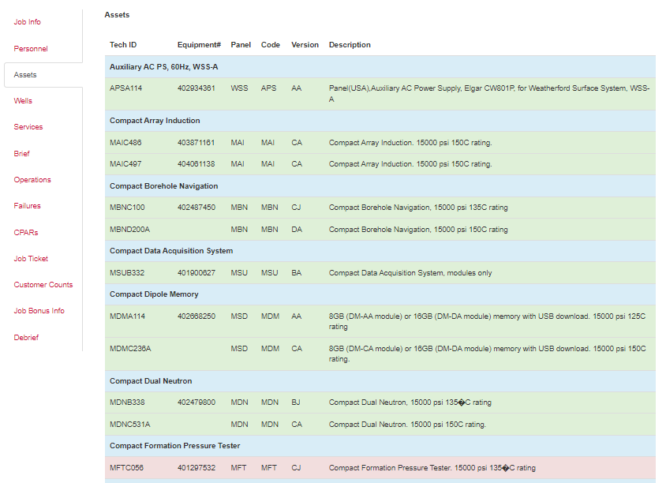
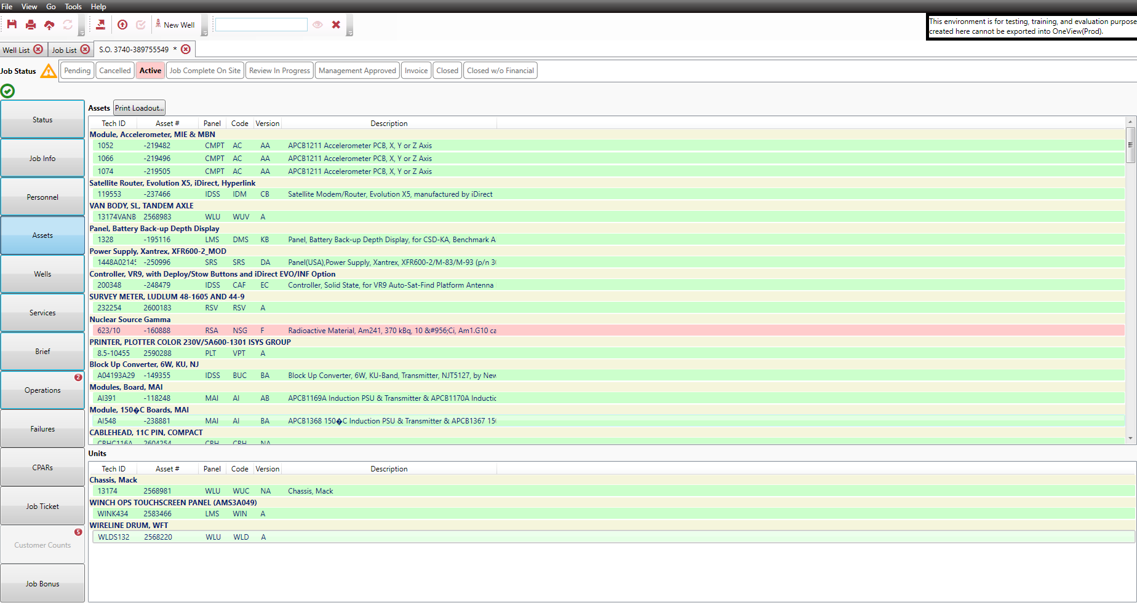

OV Operations
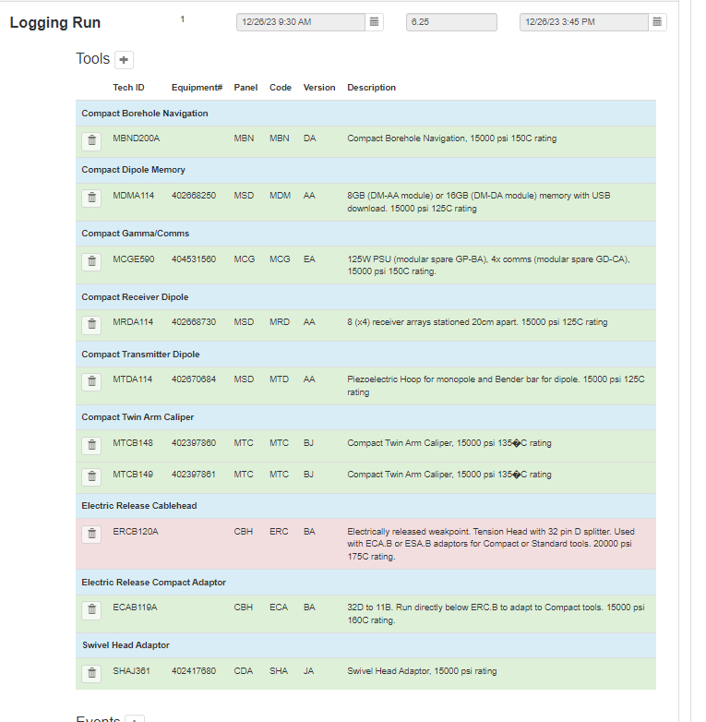

OV Future Assets Collapsed
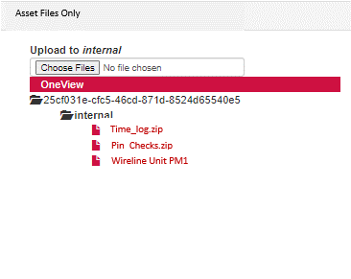
 |  |  |  |  |  | ALL | ALL

Tech ID | Equipment# | Panel | Code | Version | Description | Pre-Job Field Check | Post-Job Field Check |  | COLLAPSE FOR MAINTENANCE VIEW ONLY:
Compact Array Induction
MAIC486 | 403871161 | MAI | MAI | CA | Compact Array Induction. 15000 psi 150C rating.
MAIC497 | 404061138 | MAI | MAI | CA | Compact Array Induction. 15000 psi 150C rating.
Compact Borehole Navigation
MBNC100 | 402487450 | MBN | MBN | CJ | Compact Borehole Navigation, 15000 psi 135C rating
MBND200A |  | MBN | MBN | DA | Compact Borehole Navigation, 15000 psi 150C rating
Compact Dipole Memory
MDMA114 | 402668250 | MSD | MDM | AA | 8GB (DM-AA module) or 16GB (DM-DA module) memory with USB download. 15000 psi 125C rating
MDMC236A |  | MSD | MDM | CA | 8GB (DM-CA module) or 16GB (DM-DA module) memory with USB download. 15000 psi 150C rating.
Compact Dual Neutron
MDNB338 | 402479800 | MDN | MDN | BJ | Compact Dual Neutron, 15000 psi 135�C rating
MDNC531A |  | MDN | MDN | CA | Compact Dual Neutron. 15000 psi 150C rating.
Compact Formation Pressure Tester
MFTC056 | 401297532 | MFT | MFT | CJ | Compact Formation Pressure Tester. 15000 psi 135�C rating
Compact Gamma/Comms
MCGD374 | 402423429 | MCG | MCG | DJ | 75W PSU (can be upgraded with KGU-AA to 125W 4x comms). 15000 psi 135�C rating
MCGE590 | 404531560 | MCG | MCG | EA | 125W PSU (modular spare GP-BA), 4x comms (modular spare GD-CA), 15000 psi 150C rating.
MCGF611A |  | MCG | MCG | FA | 125W PSU (modular spare GP-CA), 4x comms (modular spare GD-CA), 15000 psi 160C rating. |  |  | 1. Pre/Post matrix available in online / offline client
Compact Imager Electrodes |  |  |  |  |  |  |  | 2. The matrix should be programmed to understand what maintenance or inspection is valid for which PCV, any downhole tool may have to be added even without PFT
MIEE279 | 404041107 | MMI | MIE | EA | 15000 psi 150C rating. |  |  | 3. In most cases pre-job will be QC of measurement tools, this will allow people to use the “All” function once completed, or still have the functionality to select / deselect individually if a tool has arrived from another district
MIEE309A |  | MMI | MIE | EA | 15000 psi 150C rating. |  |  | 4. The pre-job should still include QC / PC / EAP in case any of them need to be done (do not wish to proceed)
Compact Imager Memory |  |  |  |  |  |  |  | 5. The screen will allow collapse to eradicate all the other assets selected that are not subject to pre/post activities, making it easier to view
MIMC309A |  | MMI | MIM | CA | 15000 psi 150C rating. |  |  | 6. Once the job is complete OV will pass the data into the asset screen in MYA, either singular pre / post entries or just one coming from the job with a hyperlink, I also want a different symbol to distinguish from R&M pre/post activities which may still happen sometimes
MIMC317A |  | MMI | MIM | CA | 15000 psi 150C rating. |  |  | 7. There are various other things that we may want to consider, such as the Operations tab telling the Assets tab after the job which tools it expects to need maintenance, this would then highlight those assets. However, we should still allow the ability to do them for the other assets just in case. We must avoid being too inflexible.
Compact Inline bowspring Sub |  |  |  |  |  |  |  | 8. Tools that are run in the well will come up as orange in the post job screen to differentiate those that were run, and also warn if the box is not checked when the job is pushed to closure
MISD426 | 402166932 | CDA | MIS | DA | Can be configured as Centraliser or eccentraliser. Alternative bowspring thickness available to vary sidewall force. 15000 psi rating
MISD427 | 402166933 | CDA | MIS | DA | Can be configured as Centraliser or eccentraliser. Alternative bowspring thickness available to vary sidewall force. 15000 psi rating
Compact Photo Density |  |  |  |  |  |  |  | Other things we may want to consider:
MPDC346 | 402513403 | MPD | MPD | CJ | Compact Photo Density, 15000 psi 135C rating |  |  | Do we want OV or MYA to indicate in the Asset screen when the last PC was done (A traffic light for 30 days)? I don’t think the rest is particularly relevant as we will have the MIP status
MPDD480 | 403866393 | MPD | MPD | DA | Compact Photo Density, 15000 psi 150C rating. |  |  | Do we need a portal for field maintenance that is standalone in OV for locations that are conducting activities outwith the job cycle.
X
MPDD481 | 403866415 | MPD | MPD | DA | Compact Photo Density, 15000 psi 150C rating. |  |  | GPL will not mandate pre / post job evidence, however we should provide an upload portal so the location can decide if they want to implement local protocol.
MPDD534A |  | MPD | MPD | DA | Compact Photo Density, 15000 psi 150C rating. |  |  | Do we want to program warnings into this - like warnings on Pin Checks / Timelogs for memory jobs based on inclusion of a MMS
Compact Receiver Dipole
MRDA114 | 402668730 | MSD | MRD | AA | 8 (x4) receiver arrays stationed 20cm apart. 15000 psi 125C rating
MRDC236A |  | MSD | MRD | CA | 8 (x4) receiver arrays stationed 20cm apart. 15000 psi 150C rating.
Compact Sonic Sonde
MSSD392 | 403623365 | MSS | MSS | DA | Compact Sonic Sonde. 15000 psi 150C rating.
Compact Tool string Isolator
X
MTIB089 | 403241304 | CDA | MTI | BA | 15000 psi rating
Compact Transmitter Dipole
MTDA114 | 402670684 | MSD | MTD | AA | Piezoelectric Hoop for monopole and Bender bar for dipole. 15000 psi 125C rating
MTDC236A |  | MSD | MTD | CA | Piezoelectric Hoop for monopole and Bender bar for dipole. 15000 psi 150C rating
Compact Twin Arm Caliper
MTCB148 | 402397860 | MTC | MTC | BJ | Compact Twin Arm Caliper, 15000 psi 135�C rating
MTCB149 | 402397861 | MTC | MTC | BJ | Compact Twin Arm Caliper, 15000 psi 135�C rating
Electric Release Cablehead
ERCB120A |  | CBH | ERC | BA | Electrically released weakpoint. Tension Head with 32 pin D splitter. Used with ECA.B or ESA.B adaptors for Compact or Standard tools. 20000 psi 175C rating.
ERCB121A |  | CBH | ERC | BA | Electrically released weakpoint. Tension Head with 32 pin D splitter. Used with ECA.B or ESA.B adaptors for Compact or Standard tools. 20000 psi 175C rating.
Electric Release Compact Adaptor
ECAB118A |  | CBH | ECA | BA | 32D to 11B. Run directly below ERC.B to adapt to Compact tools. 15000 psi 160C rating.
ECAB119A |  | CBH | ECA | BA | 32D to 11B. Run directly below ERC.B to adapt to Compact tools. 15000 psi 160C rating.
Swivel Head Adaptor
SHAJ361 | 402417680 | CDA | SHA | JA | Swivel Head Adaptor, 15000 psi rating
SHAJ362 | 402430487 | CDA | SHA | JA | Swivel Head Adaptor, 15000 psi rating
Van Body, OH, Tandem Axle
13251VANBODY | 402230296 | WLU | WUV | AA | Van Body, OH, Tandem Axle
Voltage/Frequency Converter, 5 KVa
Chassis, Peterbilt, Model 367, 36in Sleeper, Tandem Axle, Euro 3
13251 | 402230294 | WLU | WUC | PET-N | Chassis, Peterbilt, Model 367, 36in Sleeper, Tandem Axle, Euro 3

MYA Asset Record
